Лист1
Тестовая платформа: | Ryzen 5 5600H
Количество интераций: | 1000

Негатив:
Размер | Время, сек | Ссылка на график: | https://yequalx.com/ru/chart/line/Размер%2C%20px,Время%2C%20сек,Время%20OMP%2C%20сек,Время%20Vec%2C%20сек,Время%20CL%2C%20сек;300x300,0.00089667,0.00083195,0.00062062,0.000774298;400x400,0.00189006,0.00174006,0.00138784,0.000844755;500x500,0.00345964,0.00335064,0.00284681,0.00160232;600x600,0.00425462,0.00412367,0.00312439,0.00186138;950x950,0.00828933,0.00694211,0.0056784,0.00357842;2400x2400,0.048022,0.0369996,0.0329076,0.0194272#w:800;h:450;c:4285F4,db4437,f4b400,0f9d58
300x300 | 0.00089667
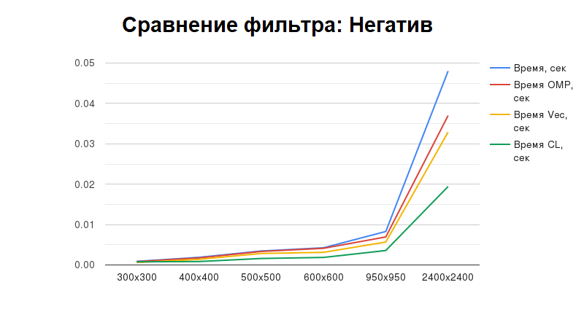
400x400 | 0.00189006
500x500 | 0.00345964
600x600 | 0.00425462
950x950 | 0.00828933
2400x2400 | 0.048022

Негатив OMP:
Размер | Время, сек
300x300 | 0.00083195
400x400 | 0.00174006
500x500 | 0.00335064
600x600 | 0.00412367
950x950 | 0.00694211
2400x2400 | 0.0369996

Негатив векторизованный:
Размер | Время, сек
300x300 | 0.00062062
400x400 | 0.00138784
500x500 | 0.00284681
600x600 | 0.00312439
950x950 | 0.0056784
2400x2400 | 0.0329076

Негатив OpenCL:
Размер | Время, сек
300x300 | 0.000774298
400x400 | 0.000844755
500x500 | 0.00160232
600x600 | 0.00186138
950x950 | 0.00357842
2400x2400 | 0.0194272

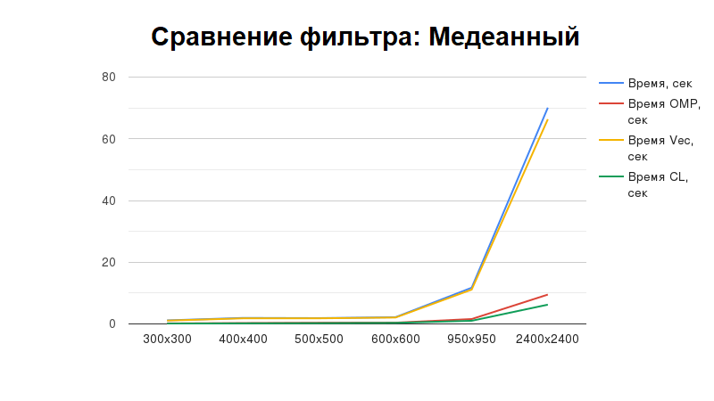
Медианный фильтр:
Размер | Время, сек | Ссылка на график: | https://yequalx.com/ru/chart/line/Размер%2C%20px,Время%2C%20сек,Время%20OMP%2C%20сек,Время%20Vec%2C%20сек,Время%20CL%2C%20сек;300x300,1.14999,0.172947,1.08413,0.102422;400x400,1.94224,0.279573,1.81404,0.190065;500x500,1.87704,0.367728,1.82322,0.245564;600x600,2.17768,0.408966,2.07254,0.338028;950x950,11.7344,1.58413,11.1288,1.02242;2400x2400,70.09492,9.5111,66.3454,6.2471#w:800;h:450;c:4285F4,db4437,f4b400,0f9d58
300x300 | 1.14999
400x400 | 1.94224
500x500 | 1.87704
600x600 | 2.17768
950x950 | 11.7344
2400x2400 | 70.09492

Медианный фильтр OMP:
Размер | Время, сек
300x300 | 0.172947
400x400 | 0.279573
500x500 | 0.367728
600x600 | 0.408966
950x950 | 1.58413
2400x2400 | 9.5111

Медианный фильтр векторизованный:
Размер | Время, сек
300x300 | 1.08413
400x400 | 1.81404
500x500 | 1.82322
600x600 | 2.07254
950x950 | 11.1288
2400x2400 | 66.3454

Медианный OpenCL:
Размер | Время, сек
300x300 | 0.102422
400x400 | 0.190065
500x500 | 0.245564
600x600 | 0.338028
950x950 | 1.02242
2400x2400 | 6.2471

